Daily Power Station Chart_14-01
Plant_26/01/2025Chart

Plant:odco1 |  |  | Installed Capacity:111.180kWp
Today Yield(kWh):550.200kWh |  | Today Earning:220080.000TND |  | Today Full Load Hours(h):4.95h

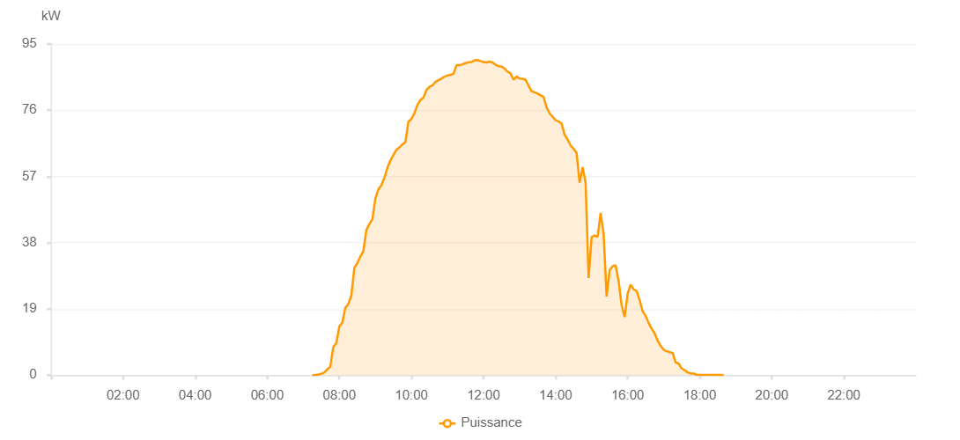

Number | Time | Working State | PV(W) | Instantaneous Radiation(W/㎡)
1 | 07:15:00 | Online | 20.00000 | 0
2 | 07:20:00 | Online | 40.00000 | 0
3 | 07:25:00 | Online | 190.00000 | 0
4 | 07:30:00 | Online | 360.00000 | 3.00000
5 | 07:35:00 | Online | 720.00000 | 8.00000
6 | 07:40:00 | Online | 1660.00000 | 13.00000
7 | 07:45:00 | Online | 2400.00000 | 21.00000
8 | 07:50:00 | Online | 8100.00000 | 34.00000
9 | 07:55:00 | Online | 9170.00000 | 118.00000
10 | 08:00:00 | Online | 13950.00000 | 138.00000
11 | 08:05:00 | Online | 15090.00000 | 168.00000
12 | 08:10:00 | Online | 19320.00000 | 197.00000
13 | 08:15:00 | Online | 20410.00000 | 236.00000
14 | 08:20:00 | Online | 22870.00000 | 245.00000
15 | 08:25:00 | Online | 30770.00000 | 288.00000
16 | 08:30:00 | Online | 32130.00000 | 323.00000
17 | 08:35:00 | Online | 34050.00000 | 349.00000
18 | 08:40:00 | Online | 35590.00000 | 375.00000
19 | 08:45:00 | Online | 41590.00000 | 403.00000
20 | 08:50:00 | Online | 43350.00000 | 429.00000
21 | 08:55:00 | Online | 44730.00000 | 458.00000
22 | 09:00:00 | Online | 50650.00000 | 479.00000
23 | 09:05:00 | Online | 53300.00000 | 497.00000
24 | 09:10:00 | Online | 54480.00000 | 523.00000
25 | 09:15:00 | Online | 56660.00000 | 543.00000
26 | 09:20:00 | Online | 59450.00000 | 562.00000
27 | 09:25:00 | Online | 61600.00000 | 581.00000
28 | 09:30:00 | Online | 63180.00000 | 602.00000
29 | 09:35:00 | Online | 64640.00000 | 619.00000
30 | 09:40:00 | Online | 65370.00000 | 634.00000
31 | 09:45:00 | Online | 66190.00000 | 652.00000
32 | 09:50:00 | Online | 66820.00000 | 668.00000
33 | 09:55:00 | Online | 72730.00000 | 685.00000
34 | 10:00:00 | Online | 73470.00000 | 700.00000
35 | 10:05:00 | Online | 75130.00000 | 715.00000
36 | 10:10:00 | Online | 77560.00000 | 727.00000
37 | 10:15:00 | Online | 78910.00000 | 739.00000
38 | 10:20:00 | Online | 79580.00000 | 748.00000
39 | 10:25:00 | Online | 81790.00000 | 765.00000
40 | 10:30:00 | Online | 82700.00000 | 774.00000
41 | 10:35:00 | Online | 83130.00000 | 785.00000
42 | 10:40:00 | Online | 84130.00000 | 796.00000
43 | 10:45:00 | Online | 84610.00000 | 804.00000
44 | 10:50:00 | Online | 85090.00000 | 816.00000
45 | 10:55:00 | Online | 85620.00000 | 824.00000
46 | 11:00:00 | Online | 85940.00000 | 832.00000
47 | 11:05:00 | Online | 86140.00000 | 838.00000
48 | 11:10:00 | Online | 86460.00000 | 848.00000
49 | 11:15:00 | Online | 88930.00000 | 855.00000
50 | 11:20:00 | Online | 88910.00000 | 862.00000
51 | 11:25:00 | Online | 89160.00000 | 867.00000
52 | 11:30:00 | Online | 89500.00000 | 871.00000
53 | 11:35:00 | Online | 89750.00000 | 875.00000
54 | 11:40:00 | Online | 89820.00000 | 878.00000
55 | 11:45:00 | Online | 90300.00000 | 881.00000
56 | 11:50:00 | Online | 90400.00000 | 884.00000
57 | 11:55:00 | Online | 90100.00000 | 885.00000
58 | 12:00:00 | Online | 89820.00000 | 889.00000
59 | 12:05:00 | Online | 89690.00000 | 885.00000
60 | 12:10:00 | Online | 89960.00000 | 887.00000
61 | 12:15:00 | Online | 89710.00000 | 889.00000
62 | 12:20:00 | Online | 89090.00000 | 883.00000
63 | 12:25:00 | Online | 88610.00000 | 879.00000
64 | 12:30:00 | Online | 88540.00000 | 876.00000
65 | 12:35:00 | Online | 87960.00000 | 875.00000
66 | 12:40:00 | Online | 87070.00000 | 870.00000
67 | 12:45:00 | Online | 86580.00000 | 865.00000
68 | 12:50:00 | Online | 84760.00000 | 859.00000
69 | 12:55:00 | Online | 85680.00000 | 851.00000
70 | 13:00:00 | Online | 85110.00000 | 846.00000
71 | 13:05:00 | Online | 85030.00000 | 839.00000
72 | 13:10:00 | Online | 84790.00000 | 834.00000
73 | 13:15:00 | Online | 83010.00000 | 821.00000
74 | 13:20:00 | Online | 81480.00000 | 816.00000
75 | 13:25:00 | Online | 81130.00000 | 804.00000
76 | 13:30:00 | Online | 80780.00000 | 793.00000
77 | 13:35:00 | Online | 80260.00000 | 789.00000
78 | 13:40:00 | Online | 79820.00000 | 782.00000
79 | 13:45:00 | Online | 76820.00000 | 772.00000
80 | 13:50:00 | Online | 75130.00000 | 757.00000
81 | 13:55:00 | Online | 74100.00000 | 745.00000
82 | 14:00:00 | Online | 73140.00000 | 734.00000
83 | 14:05:00 | Online | 72770.00000 | 726.00000
84 | 14:10:00 | Online | 72210.00000 | 713.00000
85 | 14:15:00 | Online | 68950.00000 | 699.00000
86 | 14:20:00 | Online | 67600.00000 | 684.00000
87 | 14:25:00 | Online | 65850.00000 | 671.00000
88 | 14:30:00 | Online | 64970.00000 | 656.00000
89 | 14:35:00 | Online | 63770.00000 | 639.00000
90 | 14:40:00 | Online | 55220.00000 | 630.00000
91 | 14:45:00 | Online | 59670.00000 | 620.00000
92 | 14:50:00 | Online | 55220.00000 | 635.00000
93 | 14:55:00 | Online | 27850.00000 | 498.00000
94 | 15:00:00 | Online | 39600.00000 | 224.00000
95 | 15:05:00 | Online | 40050.00000 | 349.00000
96 | 15:10:00 | Online | 39650.00000 | 359.00000
97 | 15:15:00 | Online | 46570.00000 | 510.00000
98 | 15:20:00 | Online | 40560.00000 | 490.00000
99 | 15:25:00 | Online | 22540.00000 | 400.00000
100 | 15:30:00 | Online | 30130.00000 | 248.00000
101 | 15:35:00 | Online | 31240.00000 | 396.00000
102 | 15:40:00 | Online | 31530.00000 | 341.00000
103 | 15:45:00 | Online | 26900.00000 | 347.00000
104 | 15:50:00 | Online | 20020.00000 | 187.00000
105 | 15:55:00 | Online | 16660.00000 | 192.00000
106 | 16:00:00 | Online | 23410.00000 | 190.00000
107 | 16:05:00 | Online | 25950.00000 | 260.00000
108 | 16:10:00 | Online | 24630.00000 | 310.00000
109 | 16:15:00 | Online | 24120.00000 | 164.00000
110 | 16:20:00 | Online | 21520.00000 | 85.00000
111 | 16:25:00 | Online | 18230.00000 | 74.00000
112 | 16:30:00 | Online | 17010.00000 | 62.00000
113 | 16:35:00 | Online | 14930.00000 | 55.00000
114 | 16:40:00 | Online | 13300.00000 | 53.00000
115 | 16:45:00 | Online | 12010.00000 | 48.00000
116 | 16:50:00 | Online | 9860.00000 | 44.00000
117 | 16:55:00 | Online | 8390.00000 | 40.00000
118 | 17:00:00 | Online | 7230.00000 | 35.00000
119 | 17:05:00 | Online | 6840.00000 | 33.00000
120 | 17:10:00 | Online | 6600.00000 | 29.00000
121 | 17:15:00 | Online | 6320.00000 | 27.00000
122 | 17:20:00 | Online | 3590.00000 | 23.00000
123 | 17:25:00 | Online | 3340.00000 | 19.00000
124 | 17:30:00 | Online | 1890.00000 | 16.00000
125 | 17:35:00 | Online | 1390.00000 | 13.00000
126 | 17:40:00 | Online | 750.00000 | 10.00000
127 | 17:45:00 | Online | 460.00000 | 7.00000
128 | 17:50:00 | Online | 440.00000 | 3.00000
129 | 17:55:00 | Online | 80.00000 | 1.00000
130 | 18:00:00 | Online | 50.00000 | 0
131 | 18:05:00 | Online | 40.00000 | 0
132 | 18:10:00 | Online | 40.00000 | 0
133 | 18:15:00 | Online | 40.00000 | 0
134 | 18:20:00 | Online | 40.00000 | 0
135 | 18:25:00 | Online | 40.00000 | 0
136 | 18:30:00 | Online | 40.00000 | 0
137 | 18:35:00 | Online | 40.00000 | 0
138 | 18:40:00 | Online | 20.00000 | 0
139 | 19:00:00 | Online | 0.00001 | 0.00001

